sample problems
ITMG 100 PRACTICE EXAM

COPY AND PASTE EACH QUESTION IN A NEW WORK SHEET
Be sure to save your file as YOUR_LAST_NAME_EXAM_TWO_VERSION_PRACTICE.xlsx.

Question Three
In a new worksheet, Use the fill handle function create a series of numbers that goes in sequence from 1,3,6….
Start in cell A1 and fill in the values through cell A1000. What is the value (number) that resides in cell 747?
RENAME this worksheet to question three.

Question Four
You are the owner of a large record store company. You have three stores located in Tempe, Denton, and Tampa.
You are interested in creating a balance sheet for the main company as well as for your separate store locations.
You have income from four main music types. Your expenses are as follows Admin (25%), Advertising (30%), and
Merchandise (25%). Your tax rate is either 25% if your sales IS UNDER 100,000, or 35% if over 100,000.
Your task:
1. Finish the balance sheet given for you--labeled balance sheet question four.
2. Use absolute cell referencing to determine expenses.
3. Group and outline the items so only total income, total expenses, and net profit is shown.
4. Format your worksheet as shown in Figure One.
5. Once complete, copy this worksheet into three other new worksheets for each store location.
6. Each store has different income. Enter the different income data for each store (given below) and name each sheet.
7. Rename your original worksheet as COMPANY.
8. Change the orginal income data in COMPANY from what was given to be the sum of all three stores.

Figure One
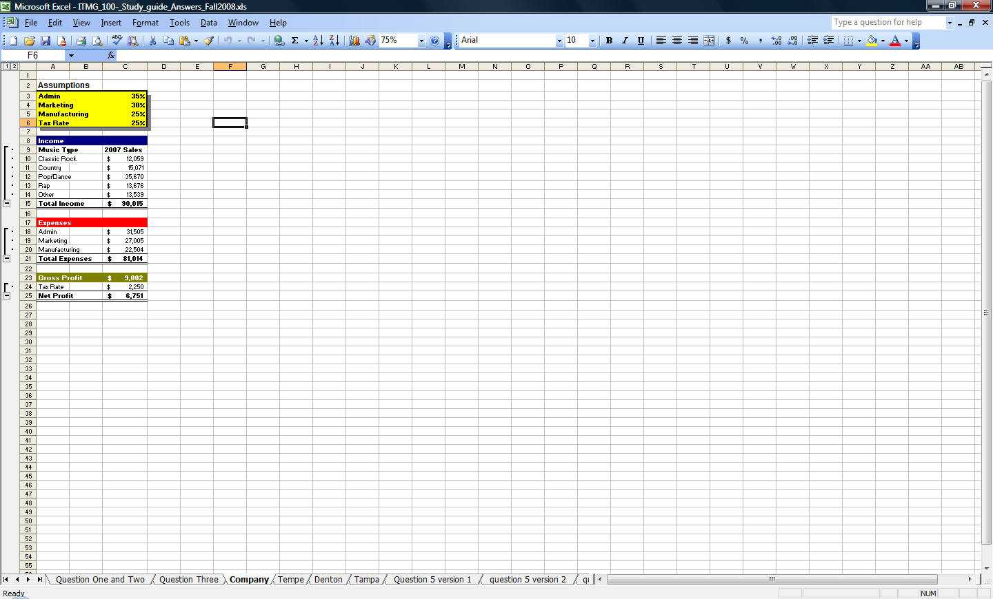

Different Store Income

Music Type | Tempe Income | Denton Income | Tampa Income
Classic Rock | 2654 | 5841 | 3564
Country | 3223 | 8954 | 2894
Pop/Dance | 23231 | 3685 | 8754
Rap | 2333 | 4823 | 6522
Other | 5428 | 4857 | 3254
Total

Question Five
Use the goal seeking function in the company worksheet to determine how much
your marketing % expenses should be so the company can net a profit of $10,000.
Write the answer here and save your changes as a scenario summary titled marketing 1.

What should the marketing % expense be so the company can net a profit of $15,000?
Write the answer here and save your changes as a scenario summary titled marketing 2.

What should the marketing % expense be so the company can net a profit of $25,000?
Write the answer here and save your changes as a scenario summary titled marketing 3.

Question Five Version 2
You are interested in raising your profit. Your accountant has told you to expect a increase in sales
due to the upcoming tax cut. He predicts a 10% increase in sales. Multiply your current COMPANY sales
by 10% (Hint the formula is last year 2009 sales * (1+ Sales increase %)-- place 10% in a new cell and then use
a formula with absolute cell referencing to complete the next column of the balance sheet.
What is the net profit of the company in the year 2021?
What is the net profit of the company in the year 2021 if the sales increase is 20%?
What is the net profit of the company in the year 2021 if the sales increase is 30%?

